Temporal Trends Analysis - 1
 | Number of distributed tracing publications by publisher (2020-2024)
 | 2020 | 2021 | 2022 | 2023 | 2024 | Sum | ACM
IEEE | 4 | 8 | 14 | 11 | 16 | 53 | https://dl-acm-org.offcampus.lib.washington.edu/action/doSearch?AllField=%22distributed+tracing%22&pageSize=50&startPage=&AfterYear=2020&BeforeYear=2024&queryID=52%2F9094273692
ACM | 15 | 23 | 36 | 55 | 59 | 188
Elsevier | 4 | 10 | 5 | 10 | 12 | 41 | IEEE
Springer | 18 | 38 | 24 | 40 | 52 | 172 | https://ieeexplore.ieee.org/search/searchresult.jsp?queryText=%22distributed%20tracing%22&highlight=true&returnType=SEARCH&matchPubs=true&ranges=2020_2024_Year&returnFacets=ALL&rowsPerPage=75&pageNumber=1
Wiley | 0 | 2 | 7 | 6 | 9 | 24
MDPI | 0 | 1 | 2 | 1 | 1 | 5 | Elsevier
 | 41 | 82 | 88 | 123 | 149 | 483 | https://www.sciencedirect.com/search?qs=%22distributed%20tracing%22&years=2024%2C2023%2C2022%2C2021%2C2020&lastSelectedFacet=articleTypes&articleTypes=CH

 | Figure 1. Number of distributed tracing publications by publisher (2020-2024) |  |  |  |  |  | Springer
 |  |  |  |  |  |  | https://link.springer.com/search?new-search=true&advancedSearch=true&sortBy=relevance&query=%22distributed+tracing%22&title=&contributor=&journal=&date=custom&dateFrom=2020&dateTo=2024

 |  |  |  |  |  |  | Wiley
 |  |  |  |  |  |  | https://onlinelibrary.wiley.com/action/doSearch?AllField=%22distributed%20tracing%22&ConceptID=68&content=articlesChapters&field1=AllField&target=default&text1=%22distributed%20tracing%22&AfterYear=2024&BeforeYear=2024

 |  |  |  |  |  |  | MDPI
 |  |  |  |  |  |  | https://www.mdpi.com/search?sort=pubdate&page_count=50&q=%22distributed+tracing%22&year_from=2020&year_to=2024&featured=&subjects=&journals=&article_types=&countries=

 | Optional Figure:
 | Number of distributed tracing publications by publisher (2020-2024)

Temporal Trends Analysis - 2
Annual Growth in Distributed Tracing Publications (2020-2024)

Publisher | 2020-2021 | 2021-2022 | 2022-2023 | 2023-2024
IEEE | 100.00% | 75.00% | -21.40% | 45.50%
ACM | 53.30% | 56.50% | 52.80% | 7.30%
Elsevier | 150.00% | -50.00% | 100.00% | 20.00%
Springer | 111.10% | -36.80% | 66.70% | 30.00%
Wiley | 0 | 250.00% | -14.30% | 50.00%
MDPI | 0 | 100.00% | -50.00% | 0.00%

Figure 2. Annual growth in distributed tracing publications (2020-2025)

Publication Type Analysis
 | Number of distributed tracing publications by categories (2020-2024)
 | Conference Papers | Journals/Magazines | Book Chapters | Sum | ACM
IEEE | 47 | 5 | 1 | 53 | https://dl-acm-org.offcampus.lib.washington.edu/action/doSearch?AllField=%22distributed+tracing%22&pageSize=50&startPage=&AfterYear=2020&BeforeYear=2024&queryID=52%2F9094273692
ACM | 153 | 35 | 0 | 188
Elsevier | 0 | 40 | 1 | 41 | IEEE
Springer | 52 | 31 | 89 | 172 | https://ieeexplore.ieee.org/search/searchresult.jsp?queryText=%22distributed%20tracing%22&highlight=true&returnType=SEARCH&matchPubs=true&ranges=2020_2024_Year&returnFacets=ALL&rowsPerPage=75&pageNumber=1
Wiley | 0 | 15 | 9 | 24
MDPI | 0 | 5 | 0 | 5 | Elsevier
 |  |  |  |  | https://www.sciencedirect.com/search?qs=%22distributed%20tracing%22&years=2024%2C2023%2C2022%2C2021%2C2020&lastSelectedFacet=articleTypes&articleTypes=CH
 | Figure 3. Number of Distributed Tracing Publications by Publisher and Category (2020-2024)
 |  |  |  |  | Springer
 |  |  |  |  | https://link.springer.com/search?new-search=true&advancedSearch=true&sortBy=relevance&query=%22distributed+tracing%22&title=&contributor=&journal=&date=custom&dateFrom=2020&dateTo=2024

 |  |  |  |  | Wiley
 |  |  |  |  | https://onlinelibrary.wiley.com/action/doSearch?AllField=%22distributed%20tracing%22&ConceptID=68&content=articlesChapters&field1=AllField&target=default&text1=%22distributed%20tracing%22&AfterYear=2024&BeforeYear=2024

 |  |  |  |  | MDPI
 |  |  |  |  | https://www.mdpi.com/search?sort=pubdate&page_count=50&q=%22distributed+tracing%22&year_from=2020&year_to=2024&featured=&subjects=&journals=&article_types=&countries=

 | Figure 4. Percentage Distribution of Publication Categories by Publisher
 | for Distributed Tracing Research (2020-2024)

Keyword frequency analysis
ACM keyword frequency - 188 papers

microservices: 33
cloud computing: 17
distributed tracing: 15
distributed systems: 10
microservice: 9
observability: 9
root cause analysis: 7
tracing: 7
microservice architecture: 6
performance analysis: 6
anomaly detection: 5
monitoring: 5
serverless computing: 5
graph neural network: 4
performance: 4
programmable networks: 4
graph neural networks: 4
architecture: 4
devops: 4
machine learning: 4
internet of things: 3
latency: 3
kubernetes: 3
logging: 3
auto-scaling: 3
telemetry: 3
debugging: 3
performance debugging: 3
scalability: 3
design patterns: 3
operations: 3
api: 3
service-oriented architecture: 3
patterns: 3
service mesh: 3
containers: 3

IEEE keyword frequency - 53 papers

distributed tracing: 36
microservice architectures: 18
microservices: 10
anomaly detection: 8
distributed databases: 8
monitoring: 7
cloud computing: 7
computer architecture: 7
observability: 6
runtime: 6
serverless computing: 5
scalability: 5
performance: 5
microservice: 5
data models: 4
tools: 4
costs: 4
computational modeling: 4
benchmark testing: 4
fault localization: 4
software reliability: 4
deep learning: 4
trace: 4
petri nets: 3
data visualization: 3
task analysis: 3
instruments: 3
kubernetes: 3
serverless: 3
fault diagnosis: 3
cloud computing: 3
debugging: 3
root cause analysis: 3
linux: 3
performance diagnosis: 3
optimization: 3
industries: 3
tail: 3
benchmarking: 3
aiops: 3

Elsevier keyword frequency - 41 papers

microservices: 10
anomaly detection: 6
cloud computing: 5
monitoring: 4
distributed tracing: 3
resource management: 3

Merged keyword frequency for all papers related to "distributed tracing" from ACM/IEEE/Elsevier during 2020-2024

"Microservices": 67,
"Distributed tracing": 54,
"Cloud computing": 32, | Before combine Microservice Architecture to Microservices:
"Microservice architectures": 30,
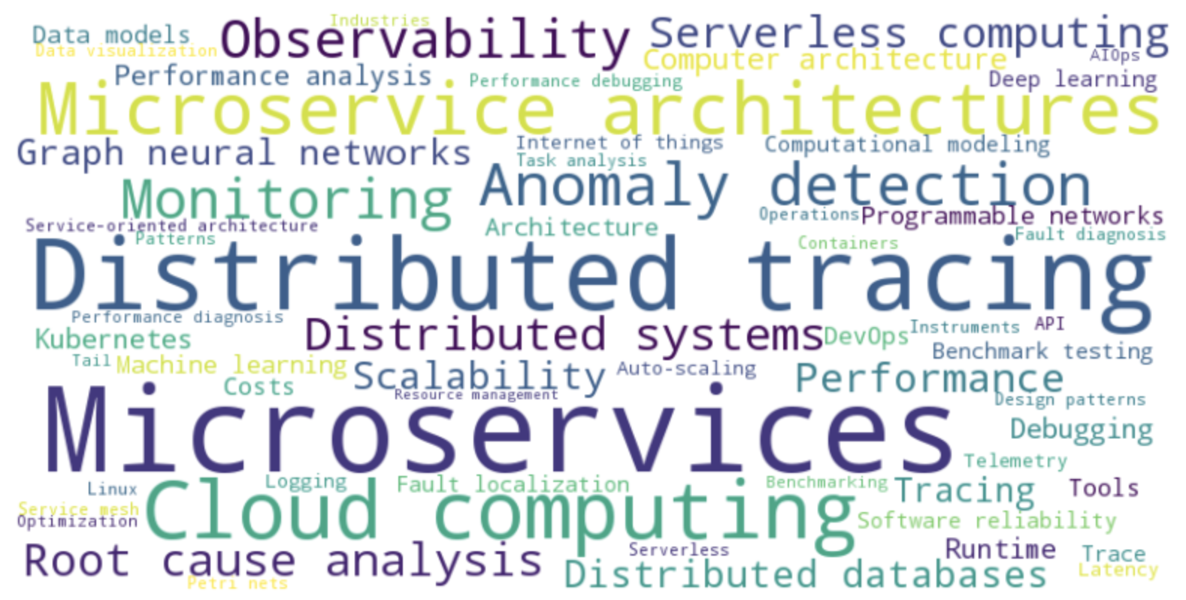
"Anomaly detection": 19,
"Monitoring": 16,
"Observability": 15,
"Distributed systems": 10,
"Root cause analysis": 10,
"Serverless computing": 10,
"Performance": 9,
"Distributed databases": 8,
"Scalability": 8,
"Graph neural networks": 8,
"Tracing": 7,
"Computer architecture": 7,
"Performance analysis": 6,
"Runtime": 6,
"Kubernetes": 6,
"Debugging": 6,
"Programmable networks": 4,
"Architecture": 4,
"Devops": 4,
"Machine learning": 4,
"Data models": 4,
"Tools": 4,
"Costs": 4,
"Computational modeling": 4,
"Benchmark testing": 4,
"Fault localization": 4,
"Software reliability": 4, | After combine Microservice Architecture to Microservices:
"Deep learning": 4,
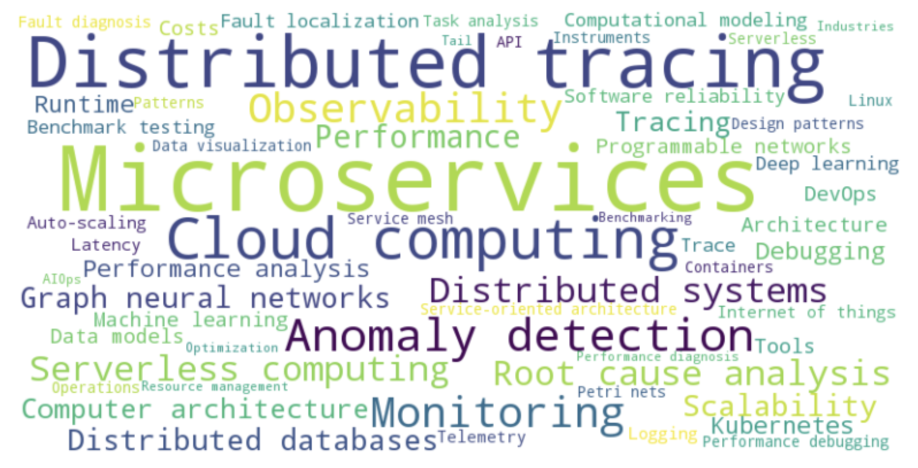
"Trace": 4,
"Internet of things": 3,
"Latency": 3,
"Logging": 3,
"Auto-scaling": 3,
"Telemetry": 3,
"Performance debugging": 3,
"Design patterns": 3,
"Operations": 3,
"Api": 3,
"Service-oriented architecture": 3,
"Patterns": 3,
"Service mesh": 3,
"Containers": 3,
"Petri nets": 3,
"Data visualization": 3,
"Task analysis": 3,
"Instruments": 3,
"Serverless": 3,
"Fault diagnosis": 3,
"Linux": 3,
"Performance diagnosis": 3,
"Optimization": 3,
"Industries": 3,
"Tail": 3,
"Benchmarking": 3,
"Aiops": 3,
"Resource management": 3,

Institution analysis &wordcloud
ACM
Institution | Number | Significant authors | Key contribution
Fudan University | 7 | Xin Peng | graph-based deep learning trace analysis | Institutions where the first author appears ≥ 3 times:
Google LLC | 6 | Brian Eaton, | Distributed Latency Profiling through Critical Path Tracing

Cornell University | 5 | Mingyu Liang, | ML-driven performance debugging
Imperial College London | 5 | No primary author designated
Microsoft Research | 5 | No primary author designated | Anomaly detection
The University of British Columbia | 5 | No primary author designated
University of Illinois | 5 | Sachin Ashok,
Georgia Institute of Technology | 4 | Ka-Ho Chow, | Hybrid Cloud, resource estimation
Peking University | 4 | No primary author designated
Purdue University | 4 | No primary author designated
Brown University | 3 | Lucas Castanheira | More Flexible Distributed Tracing
Chinese Academy of Sciences | 3 | Laiping Zhao, | Resource Reclamation
IBM Research Almaden | 3 | Ka-Ho Chow, | Hybrid Cloud, resource estimation
Institute for Systems and Robotics | 3 | Diogo Maia | Container Orchestration
Max Planck Institute | 3
Sun YatSen University | 3
Toyota Motor Corporation | 3
Tufts University | 3
University of L'Aquila | 3
University of Waterloo | 3

IEEE (If only count first author’s institution)

University of Washington, Tacoma, WA, USA: 2
Computer Engineering Department, Golestan University, Gorgan, Iran: 2
School of Computer Science, Fudan University, China: 2
Boston University: 2
Department of Computer Science and Engineering, Chalmers, University of Gothenburg, Gothenburg, Sweden: 2
NTT Network, Tokyo, Japan: 2
School of Computer and Communication Engineering, University of Science and Technology Beijing, Beijing, China: 2
LAAS - CNRS, Université de Toulouse, CNRS, UPS, Toulouse, France: 2
Complex and Distributed IT-Systems Group, TU Berlin, Berlin, Germany: 2
Department of Computer Science and Engineering, National Taiwan Ocean University, Keelung, Taiwan: 1
Eindhoven University of Technology, The Netherlands: 1
Max Planck Institute for Software Systems, University of Saarland, Saarbrücken, Germany: 1
Distributed Systems Group, University of Bamberg, Bamberg, Germany: 1
IBM Research: 1
Shanghai Jiao Tong University: 1
School of Electronic Engineering, Soongsil University, Seoul, Korea: 1
School of Electrical Engineering and Informatics, Institut Teknologi Bandung, Bandung, Indonesia: 1
Information Systems Engineering, Technische Universität Berlin, Berlin, Germany: 1
CIISE, Concordia University, Montréal, Canada: 1
Dept. of Computer Science, Stanford University, Palo Alto, USA: 1
Tokyo University of Technology, Tokyo, Japan: 1
Department of Information Technologies, Novosibirsk State University, Novosibirsk, Russia: 1
SAKURA internet Inc.: 1
Joint Laboratory on Cyberspace Security of China Southern Power Grid, Guangzhou, China: 1
University of Cyprus: 1
Sun Yat-sen University, Zhuhai, China: 1
Department of Computer Science & Engineering, BVRIT HYDERABAD College of Engineering for Women, Hyderabad, India: 1
University of Westminster: 1
School of Computer Science, Wuhan University, Wuhan, China: 1
Institute of Software Chinese Academy of Sciences: 1
REASONS Lab, Institute for Network Sciences and Cyberspace, Tsinghua University: 1
School of Automation and Information Engineering, Xi’an University of Technology, Xi’an, China: 1
University of Illinois Urbana-Champaign: 1
Chair of Computer Architecture and Parallel Systems, Technische Universität München, Germany: 1
Department of Computer Science and Engineering, The Chinese University of Hong Kong, Hong Kong, China: 1
School of Computing, University of Utah, Salt Lake City, United States: 1
Software Engineering Group Kiel University, Kiel, Germany: 1
School of Electrical Engineering, Korea Advanced Institute of Science Technology, Daejeon, South Korea: 1
University of Muenster, Germany: 1
India Systems Development Lab, IBM, Bangalore, India: 1
Institute of Information Engineering, Chinese Academy of Sciences, Beijing, China: 1
Ant Group Hangzhou, China: 1
Technical Lead, California, USA: 1

